Power Query Ribbon
Add-in for Excel 2010/2013

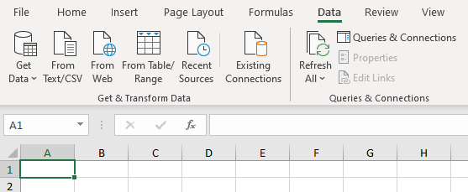

On Data tab for
Excel 2016/2019/Office 365

